Workout
Accounting and Financial Analysis

Workout
 | Calculate EBIT and EBITDA for the two most recent years. All figures in thousands unless otherwise stated.

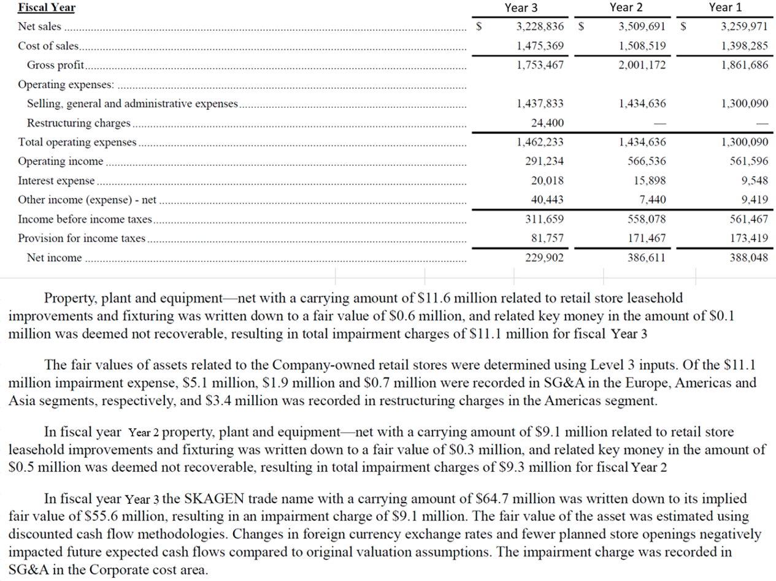

 |  | Year 3 | Year 2
 | Depreciation | 80,397.0 | 78,230.0
 | Amortization | 4,900.0 | 5,100.0

 | Operating income as reported | 291,234.0 | 566,536.0
 | Restructuring charges | 24,400.0 | 0.0
 | PP&E impairment (adjusted) | 7,700.0 | 9,300.0
 | Trade name impairment | 9,100.0 | 0.0
 | EBIT | 332,434.0 | 575,836.0
 | Depreciation | 80,397.0 | 78,230.0
 | Amortization | 4,900.0 | 5,100.0
 | EBITDA | 417,731.0 | 659,166.0

 | PP&E impairment | 11,100.0 | 9,300.0
 | Impairment recorded in Americas restructuring charge | (3,400.0) | 0.0
 | PP&E impairment (adjusted) | 7,700.0 | 9,300.0

End

